(지정데이터)목록형 파라미터 정보
파라미터 명칭 | 종류 | 모델 Hash값(SHA-256) | 특성 | 계열 | ㆍㆍㆍ | 관련노드1 | 관련노드2 | 관련노드3 | ㆍㆍㆍ
sampler_name | euler | - | 결정적 | Euler | ㆍㆍㆍ | Ksampler | Sampler selecter | Advanced sampler | ㆍㆍㆍ
sampler_name | euler_cfg_pp | - | 결정적 | Euler | ㆍㆍㆍ | Ksampler | Sampler selecter | Advanced sampler | ㆍㆍㆍ
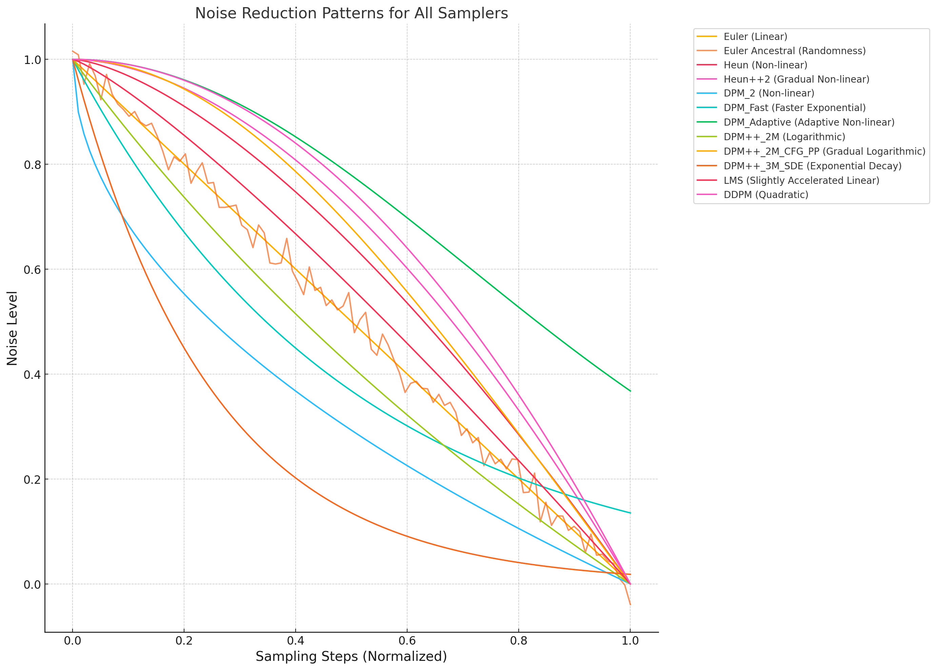
sampler_name | euler_ancestral | - | 확률적 | Euler | ㆍㆍㆍ | Ksampler | Sampler selecter | Advanced sampler | ㆍㆍㆍ
sampler_name | euler_ancestral_cfg_pp | - | 확률적 | Euler | ㆍㆍㆍ | Ksampler | Sampler selecter | Advanced sampler | ㆍㆍㆍ
sampler_name | heun | - | 결정적 | Heun | ㆍㆍㆍ | Ksampler | Sampler selecter | Advanced sampler | ㆍㆍㆍ
sampler_name | heunpp2 | - | 결정적 | Heun | ㆍㆍㆍ | Ksampler | Sampler selecter | Advanced sampler | ㆍㆍㆍ
sampler_name | dpm_2 | - | 결정적 | DPM | ㆍㆍㆍ | Ksampler | Sampler selecter | Advanced sampler | ㆍㆍㆍ
sampler_name | dpm_2_ancestral | - | 확률적 | DPM | ㆍㆍㆍ | Ksampler | Sampler selecter | Advanced sampler | ㆍㆍㆍ
sampler_name | lms | - | 결정적 | LMS | ㆍㆍㆍ | Ksampler | Sampler selecter | Advanced sampler | ㆍㆍㆍ
sampler_name | dpm_fast | - | 결정적 | DPM | ㆍㆍㆍ | Ksampler | Sampler selecter | Advanced sampler | ㆍㆍㆍ
sampler_name | dpm_adaptive | - | 결정적/확률적 | DPM | ㆍㆍㆍ | Ksampler | Sampler selecter | Advanced sampler | ㆍㆍㆍ
sampler_name | dpmpp_2s_ancestral | - | 확률적 | DPM++ | ㆍㆍㆍ | Ksampler | Sampler selecter | Advanced sampler | ㆍㆍㆍ
sampler_name | dpmpp_2s_ancestral_cfg_pp | - | 확률적 | DPM++ | ㆍㆍㆍ | Ksampler | Sampler selecter | Advanced sampler | ㆍㆍㆍ
sampler_name | dpmpp_sde | - | 확률적 | DPM++ | ㆍㆍㆍ | Ksampler | Sampler selecter | Advanced sampler | ㆍㆍㆍ
sampler_name | dpmpp_sde_gpu | - | 확률적 | DPM++ | ㆍㆍㆍ | Ksampler | Sampler selecter | Advanced sampler | ㆍㆍㆍ
sampler_name | dpmpp_2m | - | 결정적 | DPM++ | ㆍㆍㆍ | Ksampler | Sampler selecter | Advanced sampler | ㆍㆍㆍ
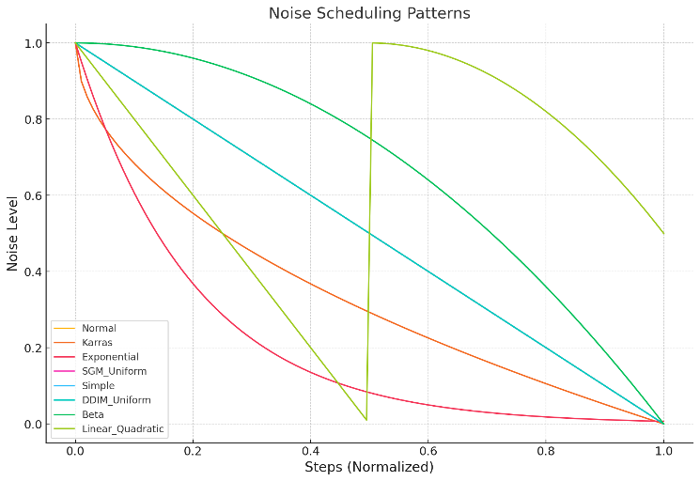
sampler_name | dpmpp_2m_cfg_pp | - | 결정적 | DPM++ | ㆍㆍㆍ | Ksampler | Sampler selecter | Advanced sampler | ㆍㆍㆍ
sampler_name | dpmpp_2m_sde | - | 확률적 | DPM++ | ㆍㆍㆍ | Ksampler | Sampler selecter | Advanced sampler | ㆍㆍㆍ
sampler_name | dpmpp_2m_sde_gpu | - | 확률적 | DPM++ | ㆍㆍㆍ | Ksampler | Sampler selecter | Advanced sampler | ㆍㆍㆍ
sampler_name | dpmpp_3m_sde | - | 확률적 | DPM++ | ㆍㆍㆍ | Ksampler | Sampler selecter | Advanced sampler | ㆍㆍㆍ
sampler_name | dpmpp_3m_sde_gpu | - | 확률적 | DPM++ | ㆍㆍㆍ | Ksampler | Sampler selecter | Advanced sampler | ㆍㆍㆍ
sampler_name | ddpm | - | 확률적 | DDPM | ㆍㆍㆍ | Ksampler | Sampler selecter | Advanced sampler | ㆍㆍㆍ
sampler_name | lcm | - | 결정적/확률적 | LCM | ㆍㆍㆍ | Ksampler | Sampler selecter | Advanced sampler | ㆍㆍㆍ
sampler_name | ipndm | - | 결정적/확률적 | IPNDM | ㆍㆍㆍ | Ksampler | Sampler selecter | Advanced sampler | ㆍㆍㆍ
sampler_name | ipndm_v | - | 결정적/확률적 | IPNDM | ㆍㆍㆍ | Ksampler | Sampler selecter | Advanced sampler | ㆍㆍㆍ
sampler_name | deis | - | 결정적/확률적 | DEIS | ㆍㆍㆍ | Ksampler | Sampler selecter | Advanced sampler | ㆍㆍㆍ
scheduler | normal | - | 정규 분포 감소 |  | ㆍㆍㆍ | Ksampler | Scheduler selecter | Multi scheduler select | ㆍㆍㆍ
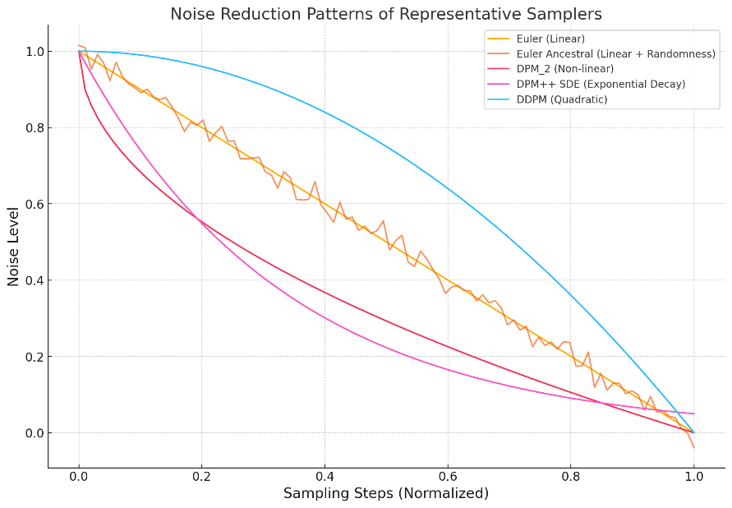
scheduler | karras | - | 비선형 감소 |  | ㆍㆍㆍ | Ksampler | Scheduler selecter | Multi scheduler select | ㆍㆍㆍ
scheduler | exponential | - | 지수 감소 |  | ㆍㆍㆍ | Ksampler | Scheduler selecter | Multi scheduler select | ㆍㆍㆍ
scheduler | sgm_uniform | - | 균일분포 |  | ㆍㆍㆍ | Ksampler | Scheduler selecter | Multi scheduler select | ㆍㆍㆍ
scheduler | simple | - | 선형 |  | ㆍㆍㆍ | Ksampler | Scheduler selecter | Multi scheduler select | ㆍㆍㆍ
scheduler | ddim_uniform | - | DDIM+균일분포 |  | ㆍㆍㆍ | Ksampler | Scheduler selecter | Multi scheduler select | ㆍㆍㆍ
scheduler | beta | - | Beta 양극 분포 |  | ㆍㆍㆍ | Ksampler | Scheduler selecter | Multi scheduler select | ㆍㆍㆍ
scheduler | linear_quadratic | - | 선형+이차함수적 감소 |  | ㆍㆍㆍ | Ksampler | Scheduler selecter | Multi scheduler select | ㆍㆍㆍ
clip_name | Long-ViT-L-14-BEST-GmP-smooth-ft-state_dict.pt | 660c6f5b1abae9dc498ac2d21e1347d2abdb0cf6c0c0c8576cd796491d9a6cdd | ㆍ | ㆍ | ㆍ | CLIPTextEncode | ㆍ | ㆍ | ㆍㆍㆍ
clip_name | t5xxl_fp8_e4m3fn.safetensors | 660c6f5b1abae9dc498ac2d21e1347d2abdb0cf6c0c0c8576cd796491d9a6cdd | ㆍ | ㆍ | ㆍ | CLIPTextEncode | ㆍ | ㆍ | ㆍㆍㆍ
clip_name | Clip_L | 660c6f5b1abae9dc498ac2d21e1347d2abdb0cf6c0c0c8576cd796491d9a6cdd | ㆍ | ㆍ | ㆍ | CLIPTextEncode | ㆍ | ㆍ | ㆍㆍㆍ
type | flux | ㆍ | ㆍ | ㆍ | ㆍ | ㆍ | ㆍ | ㆍ | ㆍㆍㆍ
weight_dtype | default | ㆍ | ㆍ | ㆍ | ㆍ | ㆍ | ㆍ | ㆍ | ㆍㆍㆍ
weight_dtype | fp8_e4m3fn | ㆍ | ㆍ | ㆍ | ㆍ | ㆍ | ㆍ | ㆍ | ㆍㆍㆍ
weight_dtype | fp8_e4m3fn_fast | ㆍ | ㆍ | ㆍ | ㆍ | ㆍ | ㆍ | ㆍ | ㆍㆍㆍ
weight_dtype | fp8_e5m2 | ㆍ | ㆍ | ㆍ | ㆍ | ㆍ | ㆍ | ㆍ | ㆍㆍㆍ
ㆍ | ㆍ | ㆍ | ㆍ | ㆍ | ㆍ | ㆍ | ㆍ | ㆍ
ㆍ | ㆍ | ㆍ | ㆍ | ㆍ | ㆍ | ㆍ | ㆍ | ㆍ
ㆍ | ㆍ | ㆍ | ㆍ | ㆍ | ㆍ | ㆍ | ㆍ | ㆍ

